Sheet1
 | 1. Incorrect designation |  |  | add fields |  | closed date |  | whats app file sort |  |  |  | pictures!
 | 2.) Intstaller, IT - bicufferated fields |  |  |  | MNGR Assigning:(autofill) |  |  |  |  | Installer(drop down | Primary;Secondary Trade(filter?) | Task | *Pasword
3 | re format: task description, user & mngr sections |  |  |  | Date assigned |  |  |  | 1 | Christopher Fenstamacher | Sub:Carpenter; drywall, paint..more | I,III,V |  | edit -
4 | "add new" pop up is clear form!? |  |  |  |  |  |  |  | 2 | jean grove | Installer- helper | I,III |  | delete
 |  |  |  |  | status: default "open" |  | task description =
 |  |  |  |  | assigned: sort to active users |  |  | attachments

 |  |  | task ID # , task title? |  | related links:
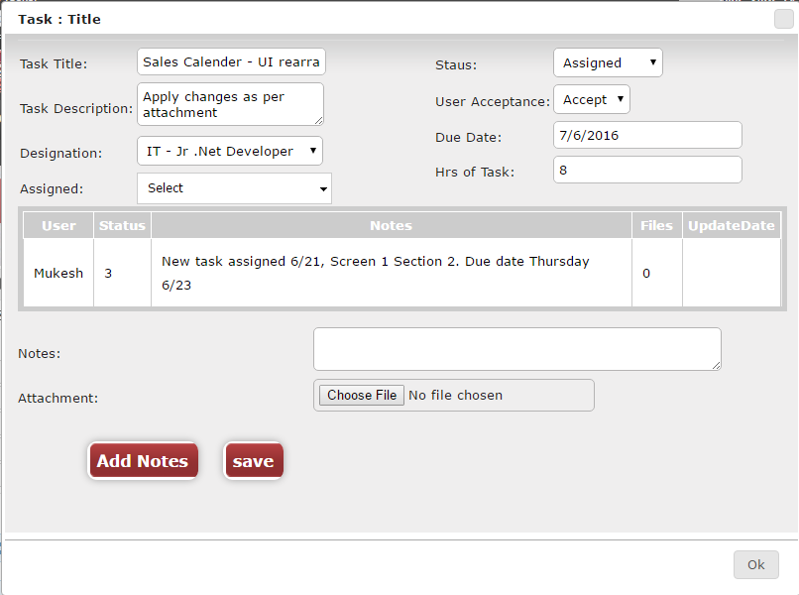

 | user acceptance??

 | MNGR delete task

 | notes - redo!
 | attachment error - drag and drop
 | add notes - separate log per task!

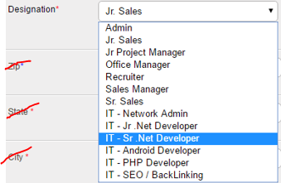
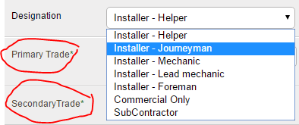
 |  | CO01-$&N/C-(no extra material
A | ID#
B | move add new and search box (like from spec
c. | review original spec
I | designation - default all
 |  | incorrect designations (see pics!)
II | users - default "all"
 |  | why not filtered by designation?
III | status - default "all"
 |  | drop down field
 |  | alerts!
IV | expand

MNGR & USER versions

